Instructions
Manage Work Rel 6 Enhancement

The tabs have configuration file formats and sample data.
A process flow model is required both to aid in building the configuration data and for the BI process display.
Populate the configuration files in the following order;
Process - Define the process (Appeals, IDR, etc)
Entity Type - Define the different types of entities in a process model, (tasks, gateways, etc)
Entity - Define the task steps in the process model
Task_Type_Entity - Lookup table that maps the MW task record task_type_id to the entitiy_id
Flow - Define the process flows, each flow represents the data flow between two entity steps
Process Segment - Define the process segments, each segment can represent data flow between more than two adjoining entity steps.
Example: Where flows represent entity step1 - entity step2 then entity task2 - entity task3, and so on. Process Segments can be as small as a single flow to spanning multiple flows. entity task1 - entity task 5.
The Deltek Data file format is included. The ETL expects a CSV (Comma Separated Value) file with a single header record prior to the data records in the format specified.
Steps to populate the database tables with data derived from the process model.
Using the tabs provided (Process, Entity Type, etc.), update the sample data rows on each tab with data from your process model.
The Insert SQL column of each tab will generate insert SQL statements based on the entries in the sample data section.
Additional rows can be added to the sample data section as needed. Copy the last Insert SQL column down for the added rows to create the necessary insert statements

Process
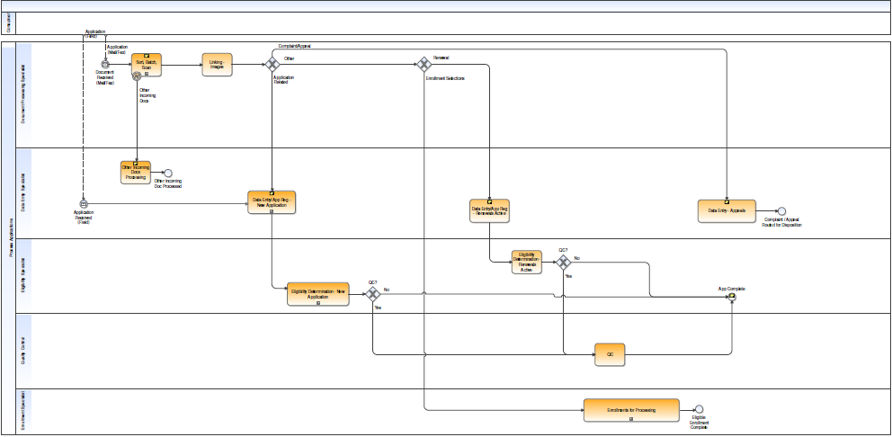
Table Design
D_BPM_PROCESS
PROCESS_ID NUMBER (18) NOT NULL
, PROCESS_NAME VARCHAR2 (80)
, PROCESS_DESCRIPTION VARCHAR2 (240)
, SOURCE_REFERENCE_TYPE VARCHAR2(30) |  |  | * If a process consists of a single step or is a parent process, enter the entity's source reference type from the D_MW_TASK_INSTANCE table
, PARENT_PROCESS_ID NUMBER (18)
, PROCESS_TIMELINESS_THRESHOLD NUMBER (2)
, PROCESS_TIMELINESS_DAYS_TYPE VARCHAR2 (1),
CONSTRAINT PK_D_BPM_PROCESS PRIMARY KEY (PROCESS_ID)

Sample Data
PROCESS_ID | PROCESS_NAME | PROCESS_DESCRIPTION | SOURCE_REFERENCE_TYPE | PARENT_PROCESS_ID | PROCESS_TIMELINESS_THRESHOLD | PROCESS_TIMELINESS_DAYS_TYPE | Insert SQL
1 | Process Applications (Demo) | E2E Applications Process (designed for DP Demo) | Instance_ID | 0 | 5 | B | Insert into D_BPM_PROCESS (PROCESS_ID,PROCESS_NAME,PROCESS_DESCRIPTION,SOURCE_REFERENCE_TYPE,PARENT_PROCESS_ID,PROCESS_TIMELINESS_THRESHOLD,PROCESS_TIMELINESS_DAYS_TYPE) values (1,'Process Applications (Demo)','E2E Applications Process (designed for DP Demo)','Instance_ID',0,5,'B');

Entity Data Element Mapping
Purpose: The data for each entity can come from various systems. Use this tab to identify the source record and data elements in those source records to be used for each of the listed entity instance attributes (in Yellow)

Activity (Entity) Name | Entity ID | Process_id | Source | Start Date | End Date | Claim Date | Owner Name
SORT_BATCH_SCAN_MAIL | 5000 | 1
RETURN_MAIL_HAND_SCAN_AND_UPLOAD_TO_HPE | 5001 | 1
GENERATE_OUTBOUND_CAMPAIGN_DATA_FILE_EXTRACTED_AND_SEND_TO_FOLSOM | 5002 | 1
REVIEW_STORE_SHRED_RETURNED_MAIL | 5003 | 1
OCR_PROCESS | 5004 | 1
RELEASE_TO_WORK_QUEUE | 5005 | 1
PROCESS_CHOICE_FORM | 5006 | 1
CLASSIFY_DOCUMENTS_CRM | 5007 | 1
PROCESS_EXEMPTION_CRM | 5008 | 1
PROCESS_EDER_CRM | 5009 | 1
CREATE_ENROLLMENTS_DISENROLLMENT_TRANSACTION | 5010 | 1
CREATE_DAILY_TRANSCATION_FILE_OFR_UPLOAD_TO_MEDS | 5011 | 1
PROCESS_DAILY_TRANSACTION_FILE_FROM_MEDS | 5012 | 1
E2E_MODEL_PACKET_LETTER_TO_KP | 5013 | 1
CORRECT_REJECTED_TRANSACTIONS_CORRECTED_BY_SYSTEM_AND_WORK_QUEUE | 5014 | 1
PEND_ENROLLMENT_FOR_UP_TO_120_DAYS_HPE | 5015 | 1
RUN_DAILY_LETTER_PACKET_BATCH_JOBS | 5016 | 2
GENERATE_LETTER_PACKET_PDFS | 5017 | 2
PREPARE_FOR_SFTP_TRANSMISSION_TO_KP | 5018 | 2
LOAD_RESPONSE_FILE | 5019 | 2

Gateway Logic
Gateway Logic;
Use this tab to identify the source data elements that indicate which path was taken by the data flowing through a gateway. Example: Gateway_Output_Name = PHONE_NUMBER_ON_FILE_YES Source = <table> Gateway_Output_Rule = <column_name> is not null Gateway_Output_Rule_Description = A valid Phone number exists

ENTITY_ID | PROCESS_ID | GATEWAY_OUTPUT_NAME | SOURCE | GATEWAY_OUTPUT_RULE | GATEWAY_OUTPUT_RULE_DESCRIPTION
2 | 1 | PHONE_NUMBER_ON_FILE_YES
2 | 1 | PHONE_NUMBER_ON_FILE_NO
3 | 1 | QUEUE_TYPE_RESEARCH
3 | 1 | QUEUE_TYPE_FORMS
4 | 1 | CHOICE_FORM_ENROLLMENT_DISENROLLMENT
4 | 1 | CHOICE_FORM_INCOMPLETE
4 | 1 | CHOICE_FORM_PENDING
5 | 1 | QUEUE_TYPE_EXEMPTION_QUEUE
5 | 1 | QUEUE_TYPE_EDER_QUEUE
6 | 1 | TRANSACTION_ACCEPTED_YES
6 | 1 | TRANSACTION_ACCEPTED_NO
8 | 1 | ELIGIBILITY_RECEIVED_YES
8 | 1 | ELIGIBILITY_RECEIVED_NO

Event Data Element Mapping
Event Data Mapping;
Use this tab to identify the source data elements that indicate when an event occurs, a letter generated, a message received, etc. The Associated Entity is the Entity causing the event to occur, the letter generated, the file scanned, etc.

Event Name | Associated Entity ID | Process ID | Source | Event Indicator | Event Indicator Description
PLAY_RECORDED_BAD_ADDRESS_MESSAGE | 5002 | 1
MAIL_SENT_TO_KP | 5003 | 1
MATERIAL_SEND_REQUEST | 5006 | 1
SEND_DHCS_FILE | 5011 | 1
TRANSMIT_TO_KP | 5018 | 2

